Home Page
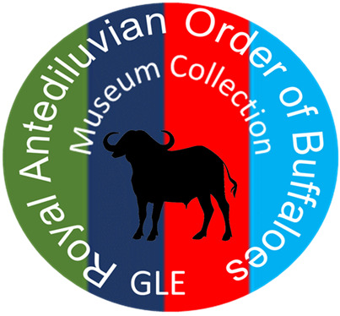
Royal Antediluvian Order of Buffaloes

 | Grand Lodge of England

 |  | Museum Inventory

 |  | © RAOB Grand Lodge of England 2023
Items listed herein are property of the RAOB GLE unless otherwise stated.
Please click on the tabs below to access the inventory. Ensure it is updated when things are added or removed from the collection.

Degree Jewels |  |  | ROH Assembly Jewels | Degree Scrolls | Degree Sashes | Other Sashes | Convention Books

Lodge Jewels |  |  | Province Jewels | PGP/DPGP Jewels | Grand Primo Regalia | Pictures/Artwork | Commemorative Items

Convention Jewels |  |  | Anniversary Jewels | Grand Primo Jewels | Other Regalia | Paperwork | Items on Permanent Loan

Other Jewels |  |  | Services Rendered Jewels | Rule/Manual of Instruction Books | Lodge/PGL Collars | Lodge Furniture | Other Banners Items

Knights Chapter Jewels |  |  | Examining/Certifying Council Jewels | Directories | Plaques/Trophies & Shields | Misc

